Dashboard
Marketing Campaign Comparison
Weekday modeled session duration by campaign

Modeled sessions | Referral avg duration | Organic avg duration | Data Share Promo avg
219,170 | 5.54 min | 4.06 min | 6.40 min

Main takeaways
Referral sessions are consistently longer than organic sessions across the week.
Data Share Promo has the longest reliable weighted average, but a smaller sample.
Black Friday and holiday campaign averages should not be overclaimed because their samples are tiny.

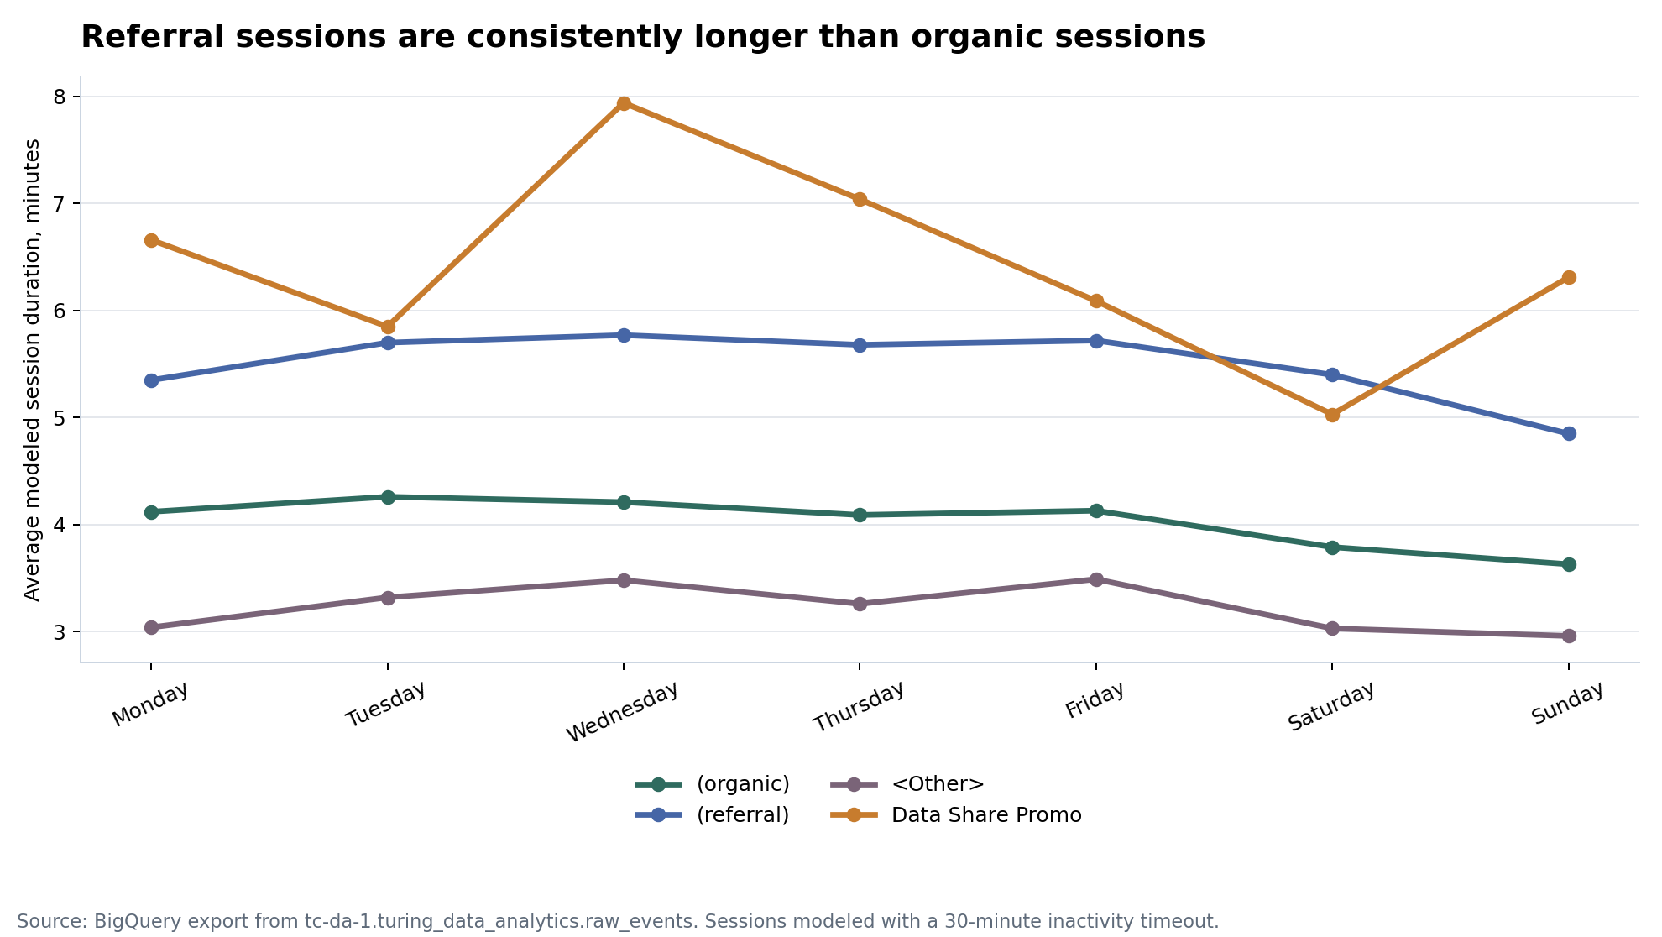
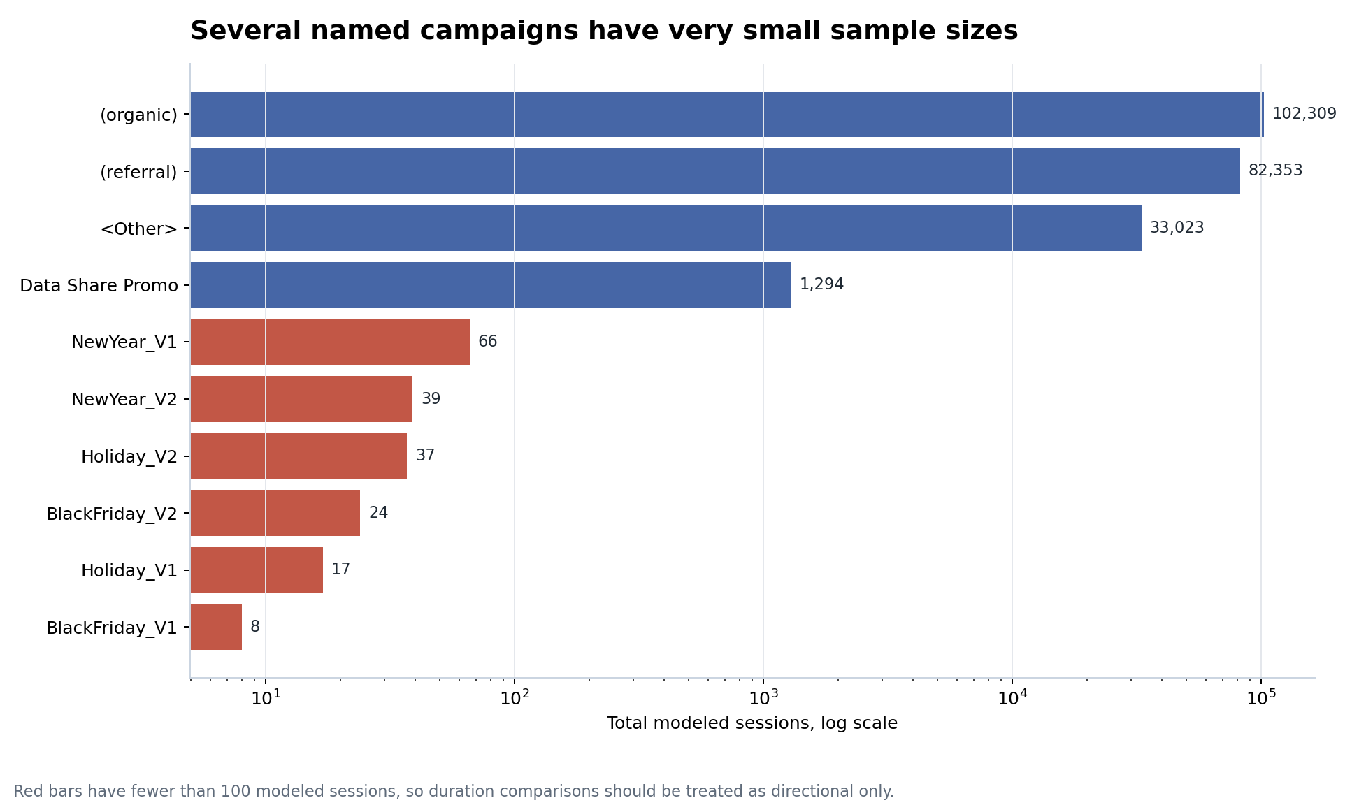

Review note
Several named campaigns have fewer than 100 modeled sessions. Treat their weekday duration as directional only.

